Sheet1
 | Document No. | Issue No. | Issue Date |  | Review and Replace Date |  | Authorised By
 | GFF550MC | 2 | 23.01.2026 |  | 17.03.2026
 | Document Title | GC-Fried Diced Potatoes-2000g (2kg)
 |  |  |  |  |  |  | Magda Shah
Document amendments reason for change | Instead of half potato moved to diced potatoes | Page 1 of 1 |  | Previous Issue Date |  | 23.01.2026 | Uncontrolled copy unless signed original

Pack + 1 Year
FVFPO-B2KGX2B | Gazebo (BULK-SNACKS) |  |  | Gc- Fried Diced Potatoes | 2000G
STEP 1 |  |  |  | STEP 2
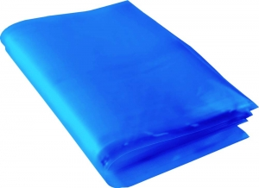 |  |  |  | 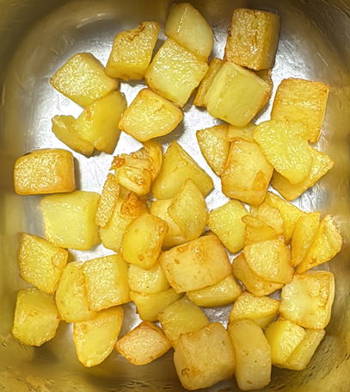

Blue Bag: 13”Wx15”Lx45mu (2% Blue Tint(to be blast freeze) food Grade - PKPMC001-05 |  |  |  | Fried Diced Potatoes| GFF556R : 2000g (2 kg)

STEP 3
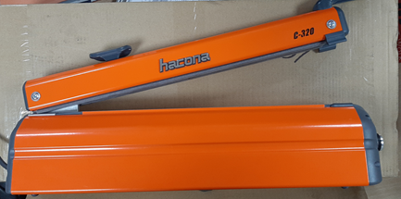 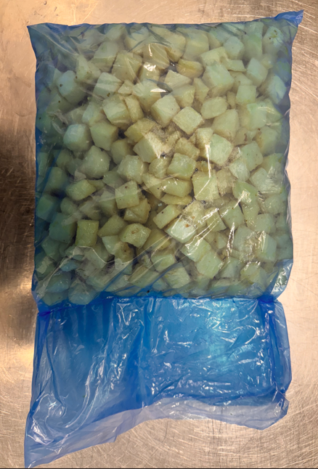

USE HAND SEALER TO SEAL THE BAG

TOTAL WEIGHT: 2000g

ALLERGY ALERT: None

